1. Title Page
Instacart Grocery Basket Analysis

Project Name: Instacart Grocery Analysis
Date: 12/09/2021
Analyst Name: David J Valdez

Contents:
Population Flow
Consistency checks
Wrangling steps
Column derivations
Visualizations
Recommendations

Data Source:
Citation (required in your final report): “The Instacart Online Grocery Shopping Dataset 2017”, Accessed on 10/26/2021 from:

https://www.instacart.com/datasets/grocery-shopping-2017

Objective:
You’re an analyst for an existing company, Instacart, an online grocery store that operates through an app. Instacart already has very good sales, but they want to uncover more information about their sales patterns. Your task is to perform an initial data and exploratory analysis of some of their data in order to derive insights and suggest strategies for better segmentation based on the provided criteria.:

2. Population Flow
Title page

Population flow

Exclusion flag
Condition: max_order < 5
Observations to be removed: 1,441,548
Final total count of order_products_all: 30,992,664

Orders_products_combined
Orders_products_merged
Orders_products_all

Total: 32,484,161
Total: 32,434,489
Total: 32,690,370

1.) The grey boxes in the first row of the population flow represent the original data sets as they were when you downloaded them. In the Total fields you need to add the count of the rows when you imported the data set into Jupyter.
2.) The second row of boxes (colored) represents the data sets after you manipulated them, e.g., removed missing values and duplicates. In the Total fields you need to add the count of the rows after conducting these operations. This offers a visual overview of how the data flows throughout the data consistency checks.
3.) The third row, where also the arrows are colored, represents the merges you performed between the datasets. In the Total fields you need to add the count of the rows in the merged datasets, so that you end up with the final dataset (in the red box). Keep in mind the final dataset should be without exclusions (based on the exclusion flag).

3. Consistency checks
 |  |  |  | Title page
Consistency checks

Dataset | Missing values | Missing values treatment | Duplicates
orders | 206209 | Imputed with mean | 0
products | 16 | Deleted | 5
orders_products_prior | 0 | - | 0
customers | 0 | - | 0

4. Wrangling steps
 |  |  |  | Title page
Wrangling steps

Columns dropped | Columns renamed | Columns' type changed | Comment/Reason
 | order_dow -> orders_day_of_week |  | Changed to more comprehensive name
 |  | order_id changed to string | No mathematical operations should be performed on the user id
eval_set |  |  | Not needed in analysis
 |  | user_id changed to string | No mathematical operations should be performed on the user id
 |  | First Name changed from mixed-type to string | Eliminate mixed-type columns
 | Surnam -> Surname |  | Typo
First_name |  |  | Data can identify person
Last_name |  |  | Data can identify person

5. Column derivations
 |  |  |  | Title page

Column derivations and aggregations

In this tab you should add tables below that the frequencies of flags/label variables that you produced after deriving them. NB: don't do this for continuous variables, only for flags.
Dataset | New column | Column/s it was derived from | Conditions
df_ords_prods_cust_merged | spending_flag | average_price | High Spender = average price >= 10; Low Spender = average price < 10
df_ords_prods_cust_merged | loyalty_flag | max_order | Loyal customer = max_order > 40; Regular customer = max_order <= 40 and max order > 10; New customer = max_order <= 10
df_ords_prods_cust_merged_2 | region | state | Created to group customers based on the region they lived in
df_ords_prods_cust_merged_2 | low-activity | max order | Defined customer activity based on the max number of orders placed
df_ords_prods_cust_merged_2 | age group | age | Created age groups based on age of customers
df_ords_prods_cust_merged_2 | income range | income | Created income groups based on income of customers and income tax brackets
df_ords_prods_cust_merged_2 | parent status | number of dependents | Created parental status based on number of dependents
df_ords_prods_cust_merged_2 | weekday | orders day of the week | Created based on day of the week number
df_ords_prods_cust_merged_2 | part of the day | orders hour of day | Midnight to Noon (0-11) as Morning. Noon to 5pm (12-5) as Afternoon and 6pm to Midnight (6-23) as Evening
df_ords_prods_cust_merged_2 | selling performance | product name | Based on list of product names created
df_ords_prods_cust_merged_4 | price range | outliers in prices | Removed items with a price of > 14,900
df_ords_prods_cust_merged_4 | department names | department id | Added department names based off department id
df_ords_prods_cust_merged_4 | department perf | department id | Added department names based off department id & prices
df_ords_prods_cust_merged_4 | Generation | age | Created to group customers together based on their generation
df_ords_prods_cust_merged_4 | income_range | income | Created to group customers together based on their income
df_ords_prods_cust_merged_4 | parental_status | n_dependents | Created to group customers based on if they had any children
df_ords_prods_cust_merged_4 | Region | state | Created to group customers based on the region they lived in

6. Visualizations
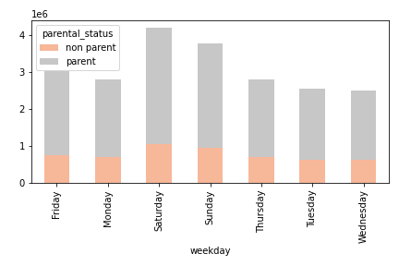
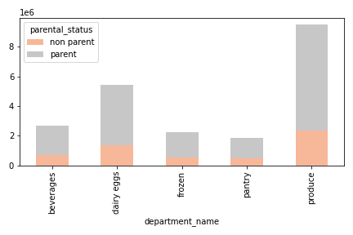
 |  |  | Title page

Visualizations

Question
Key Question 1 | What are the busiest days of the week and hours of the day?
Key Question 2 | Are there particular times of the day when people spend the most money?
Key Question 3 | Marketing and sales want to use simpler price range groupings.
Key Question 4 | Are there types of products that are more popular than others? (Which department has the highest number of product orders?)
Key Question 5 | The marketing and sales teams are particularly interested in the different types of customers in their system and how their ordering behaviors differ
5a | a. What's the distribution among users in regards to their brand loyalty?
5b | b. Are there differences in ordering habits based on a customer’s loyalty status?
5c | c. Are there differences in ordering habits based on a customer’s region?
5d | d. Is there a connection between age and family status in terms of ordering habits?
5e | e. What different classifications does the demographic information suggest? Age? Income? Certain types of goods? Family status?
5f | f. What differences can you find in ordering habits of different customer profiles?

Answer 1 : The busiest day of the week is Saturday and the most orders occur between 10:00am - 1:00pm.
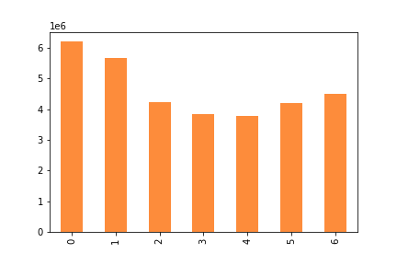
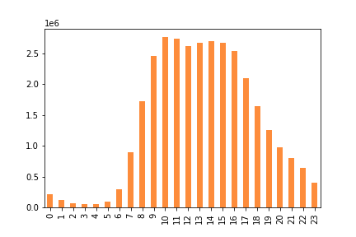

Cumulative orders per weekday (in millions) |  | Cumulative orders per time period (in millions)
0 = Saturday, 1 = Sunday, 2 = Monday, 3 = Tuesday, 4 = Wednesday, 5 = Thursday, 6 = Friday

Answer 2 : Customers spend the most money from 4am - 6am (local time). Customers also spend the most on Friday's and Saturday's.
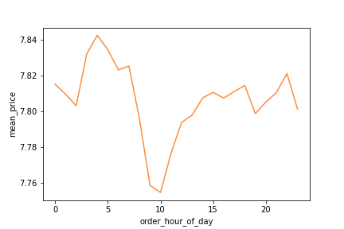
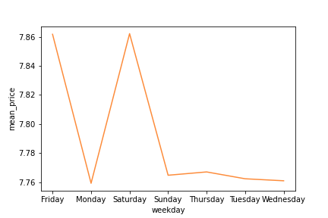

Mean price in dollars per hour of the day. |  | Mean price in dollars per hour of the day.

Below you see the top selling departments during the busiest part of the day and busiest weekday.
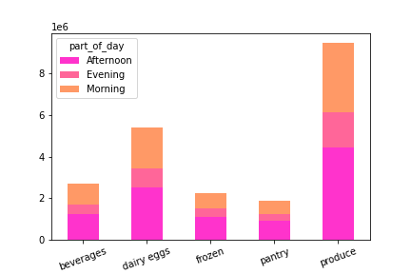
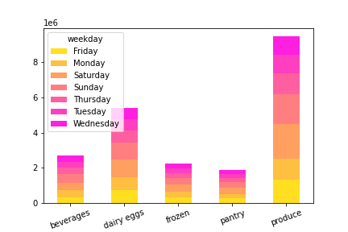

Cumulative orders per time period (in millions) |  | Cumulative orders per time period (in millions)

Answer 3 :
Products are grouped into low-range, mid-range and high-range. 67.5% of items are mid-range products.
The majority of customers buy mid-range priced products with low-range products.

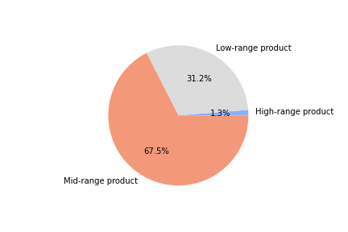
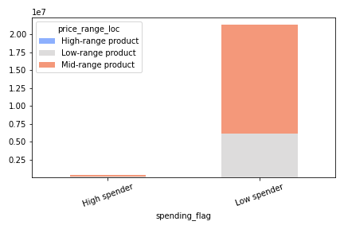

Distribution of low-range, mid-range and high-range products. |  | Customer spending flag by price range |  | Cumulative orders per time period (in millions)

Answer 4 : Here are the top selling departments by number of orders.

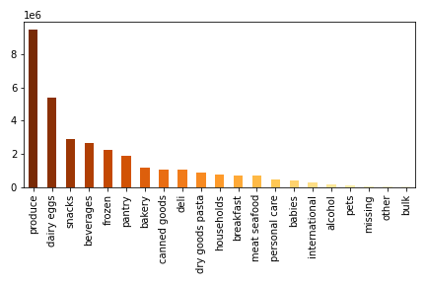

The top 5 selling departments make up 69% of total sales. Out of the top 5 total sales, Produce makes up 43.7% of sales.
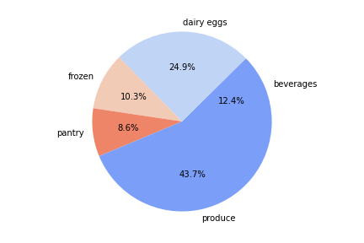

Answer 5a :
The majority of registered customers are made up of Regular customers with Loyal customers being the next largest group.

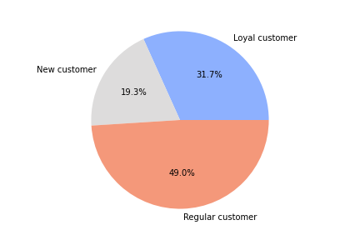

Answer 5b : The frequent customer if made up of a large amount Loyal customers.

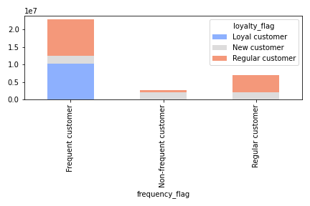

Answer 5c : There are no significant differences in customers' ordering habits based on customer's region.

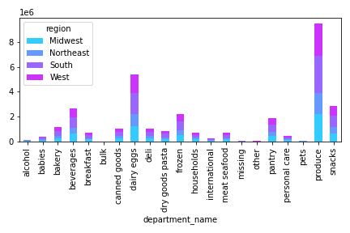
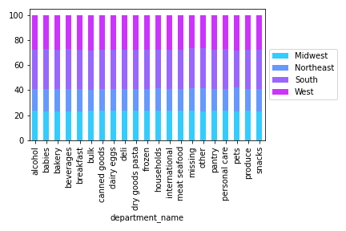

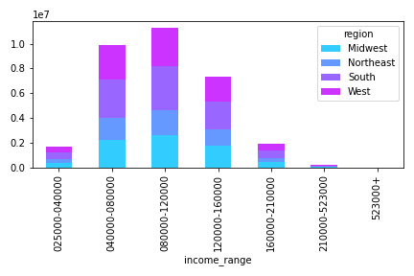
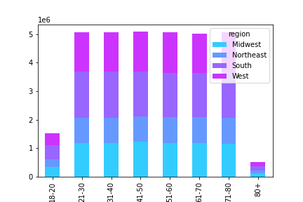

Answer 5d : There are no significant connection between age and family status in terms of ordering habits.

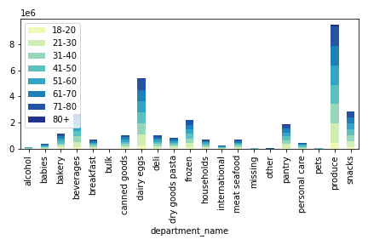
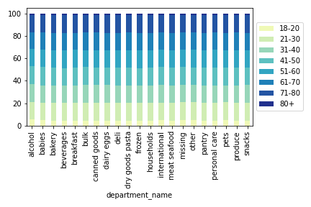

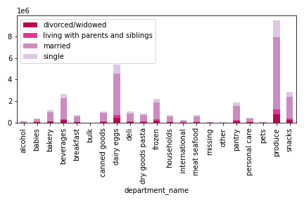
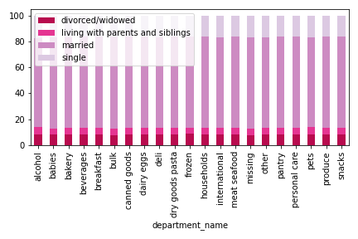

Answer 5e : Classifications of demographics such as age, income, and marriage status can lead to successfully pinpointing high valued customers.
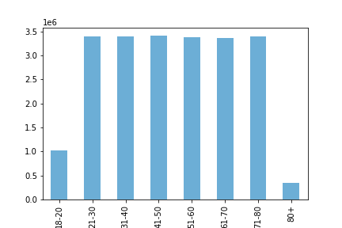
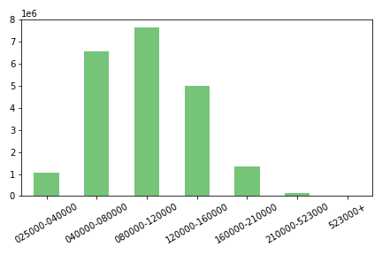
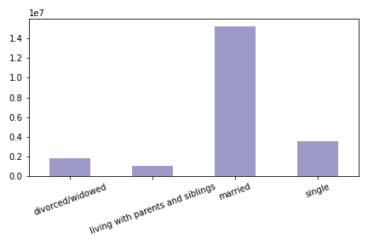

Answer 5f :
Other information regarding different profiles is looking at the spender flag and number of dependents. We see no matter the number of dependents, the customers spending flag does not change.
This is also the same when we look at spending flag and age group. However, we see there are no high spenders in the age groups of 18-20 and 80+.
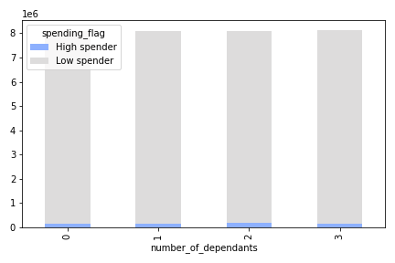
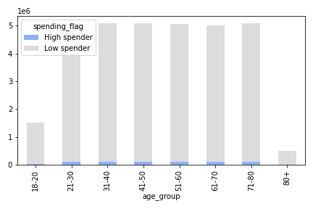

When we look at who is shopping on the weekdays and who is buying the majority of the top selling departments, it is parents.

7. Recommendations
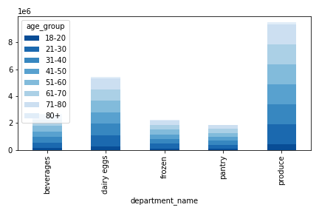
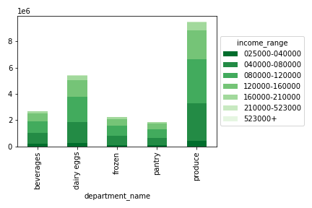
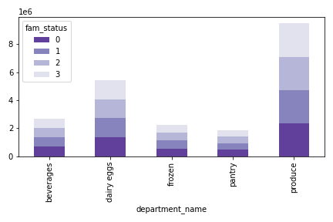
 |  |  |  | Title page

Recommendations

Question | Answer
Key Question 1 | The busiest day of the week is Saturday and the most orders occur between 10:00am - 1:00pm.

 | Recommendation
 | Schedule ads on Monday - Wednesday in order to generate more business on these days.
 | Pursue marketing channels that will expose customers to ads earlier in the day on Friday's, Saturday's, and Sunday's.

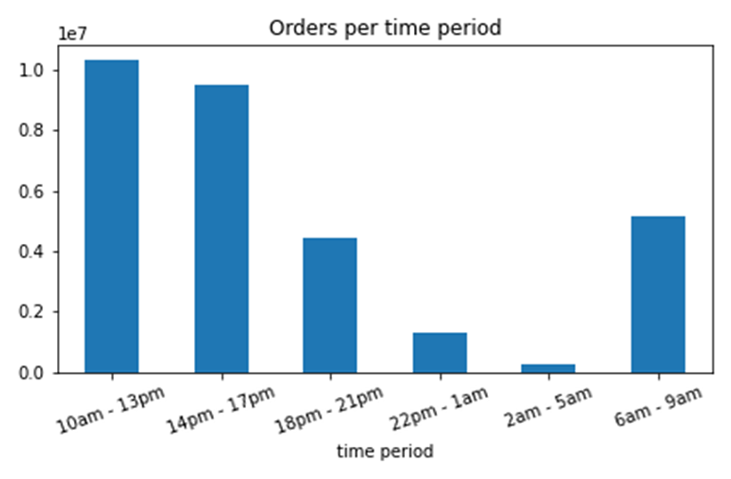

Question | Answer
Key Question 2 | Customers spend the most money from 4am - 6am (local time)

 | Recommendation
 | Advertise in the mornings, especially on the weekends. This would include heavy ads on mobile devices.
 | Advertise the top selling departments with a focus on the top 25 selling items.

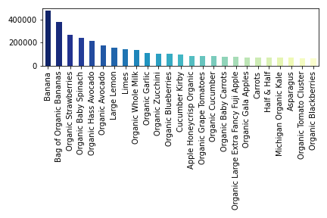

Key Question 3 | Answer
 | Products are grouped into low-range, mid-range and high-range. 67.5% of items are mid-range products.

 | Recommendation
 | Adjust as many products as possible to fall within the mid-range. This should increase sales as mid-range items fall within the majority of customer's budgets.
 | You can focus on adjusting pricing for the top selling departments.

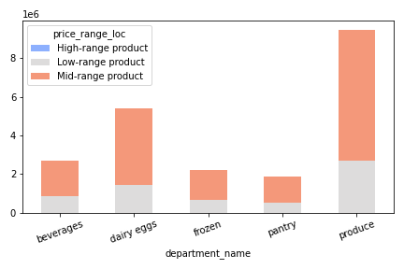

Key Question 4 | Answer
 | Produce is the most popular among most customer groups.

 | Recommendation
 | Focus on the top 25 items above.
 | You can also focus on the highest frequency departments below.

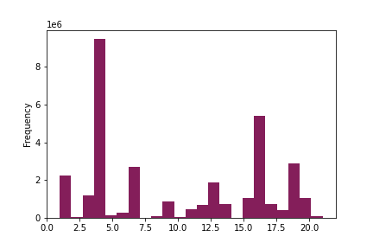
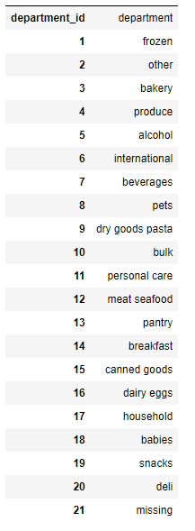

Key Question 5 | Answer/Recommendation
 | Focus on ads and retaining Loyal and Regular customers. No need to try and convert Regular to Loyal customers as they shop just as frequent.
 | There are no significant difference in ordering habits based on customer's region so you can focus on nationwide advertising.
 | The mean of prices and order number for all ages is the same for each fam status so there is not significant difference in ordering habits or shopping days.

 | Fam Status | Price_mean | order_number_mean
 | divorced/widowed | 7.8059645541 | 17.275316505
 | living with parents and siblings | 7.8058894865 | 17.296669053
 | married | 7.7952978094 | 17.087994032
 | single | 7.789136131 | 17.259644

 | All ages: | 7.79 | 17.13

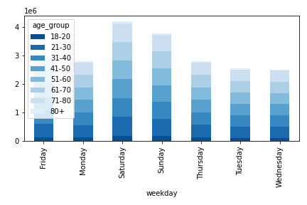

Key Question 6 | Answer
 | Classifications of demographics such as age, income, and marriage status can lead to successfully pinpointing high valued customers.

 | Recommendation
 | Your most valuable customer is:
 | Age: 21-80
 | Income: $40k-$160,000
 | Married
 | Both female and males
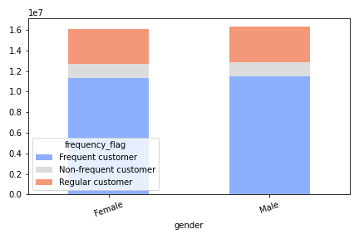

Key Question 7 | Answer
 | Classifications of demographics such as age, income, and marriage status can lead to successfully pinpointing high valued customers.

 | Recommendation
 | One last recommendation is to focus on your one department that sells to all of your customers, all of the time. Produce.

